Sheet1
Length of the Lecher line : 88 cm
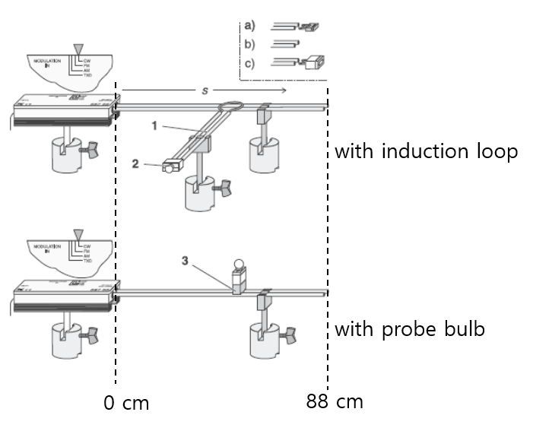
Frequency of the electromagnetic wave : 433.92 MHz

 | 1) Lecher line with short-circuited end
 | The light intensity minima position (probe lamp) (cm) |  |  |  | wavelength
 | 23 | 57 | 87.5 |  | 0.68 | 0.61
 |  |  |  |  |  |  | 16 | 19 | 14.5
 | The light intensity minima position (induction loop) (cm)
 | 7 | 38 | 73 |  | 0.62 | 0.7

 | 2) Lecher line with open ended
 | The light intensity minima position (probe lamp) (cm)
 | 5 | 37 | 73 |  | 0.64 | 0.72
 |  |  |  |  |  |  | 21
 | The light intensity minima position (induction loop) (cm)
 | 20 | 52 | 87.5 |  | 0.64 | 0.71

 | 3) Lecher line terminated with the characteristic wave impedance
 | There were no light intensity changes.

 |  |  |  |  | short-circuited | open-circuited
 |  |  |  | average wavelength (m) | 0.6525 | 0.6775
 |  |  |  | frequency (Hz) | 4.34E+08 | 4.34E+08
 |  |  |  | speed of wave | 283132800 | 293980800
 |  |  |  | %error | -5.6224 | -2.0064

